Form
PANASONIC SYSTEM NETWORKS VIETNAM CO., LTD
REGISTER FORM FOR FY2025 PROMOTION PROJECT
Name: Nguyen Nhu Minh | Nominated position: Supervisor | Section/ Department: ISD | Theme:
I. CURRENT ISSUES |  | II. PLAN & TARGET OF THE PROJECT
Theme 1: Electronic standardization of stamps for IQC inspection process |  | DESCRIBE PROCEDURE FOR IMPLEMENTATION OF ACTION PLAN
Background : IQC must stamp to control the quantity of input material when errors occur. |  | ô Issue Job And Schedule To Complete
+ IQC chop stamp when pick up the sample box.
+ IQC chop stamp the receiving card of each Pallet and all boxes on it.
Issue : Lost time to chop stamp.
+ IQC take time to find material, pallet to chop stamp.
Solution: Make fucntion inspection IQC on web and mobile replace chop stamps.
+IQC judgment OK or NG on new system auto judgment all lot.
PQC
Sampling
Scan barcode receiving card to record the box which is picked up
IQC judgment OK/NG auto judgment All lot
+ IQC inspection results are attached to the receiving card of MCS easy to traceability.
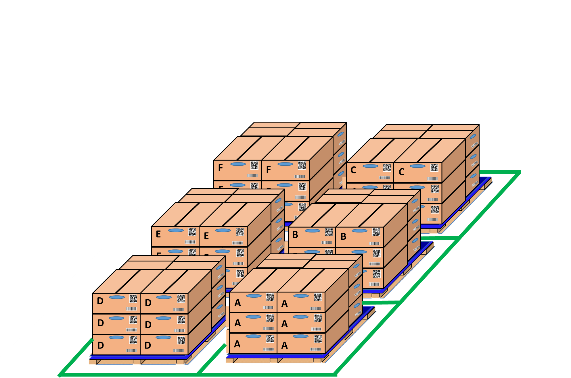
Loss time to chop stamp
OK
NG
SWMS
Pick up sample
IQC inspection
NG
OK
OK
NG
ve them visualize link ket qua kiem tra QC voi mCS

OK
OK
NG
PQC
OK
Day- Month- Year
PQC
Sampling
PQC
OK
Day- Month- Year

Loss time to chop stamp OK /NG
IQC find location and chop stamp all lot
IQC inspection

Theme 2: Link weight check system FA-SCM-OQC
Background: No system visualize product inspection results of OQC and FA, SCM
+ Untimely OQC result update, loss time to come warehouse FA for chop stamp
+ FA, SCM confirm manual OQC inspection result by stamp.
Issue: Lost time to chop stamp & easy mistake packing. |  | ôTarget FY2024
+ Inspection OQC is manual and record result by excel file. |  | P Standardize the entire OQC system with software to ensure output quality.
+ Loss time to confirm production result & Shipment schedule. |  | P complete all project keep on time.
Solution: Make new system for OQC inspection link FA &SCM. |  | ô Next schedule
+ Prevent wrong packing leakage out to market |  | P For company: Standardize and improve factory manual processes to reduce time and head count.
OQC soft ware
+ Auto online update OQC result & no need check stamp by manual. |  | P My self: Improve my skills such as communication skills, presentation skills and reporting skills
Line FA
FA shrink pallet ID
 |  | P My team : Share major technical experience, training support skill and improving spiritual working team.
Get Sample
Return
Production line FA
No Link
Shirk Machine
No Link
Shirk Machine
 |  | III. CONFIRMATION OF SUPERIOR
OQC inspection
FA shrink pallet ID
Database server
No Link
OQC
OK
Day- Month- Year
No Link
WMS system
OQC
OK
Day- Month- Year
OQC find Model, ID pallet, product date to chop stamp
SCM confrm OQC result by stamp
SCM warehouse
WMS system
ve them viec tim va chop dau
visualize inspection

